Sheet1
 | Client Command Table for A7

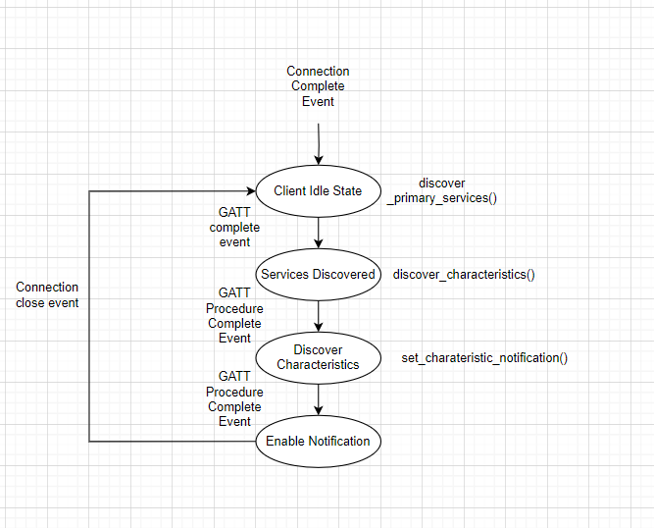
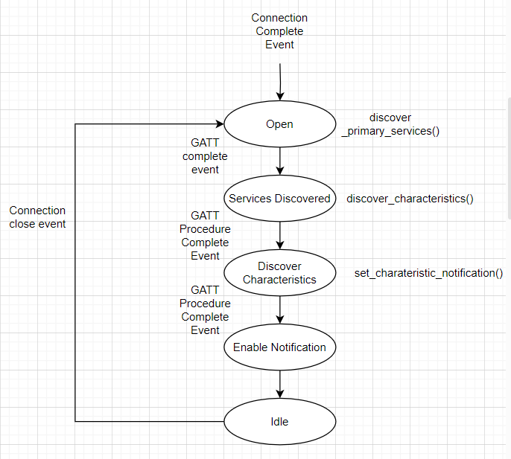
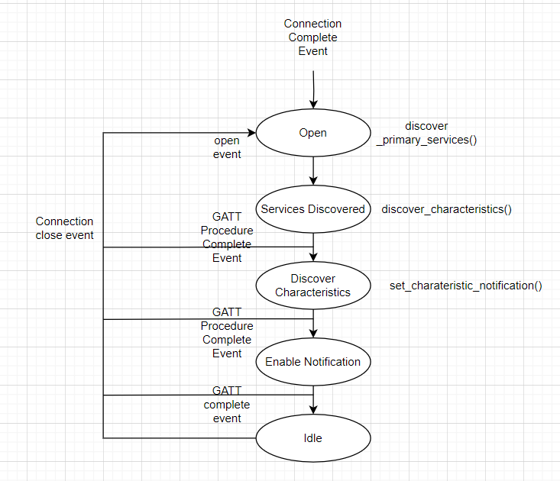
 | Use this table to help you design your program. Add rows as needed. | Use this column to describe when and what your LCD display changes to for rows like DISPLAY_ROW_CONNECTION | Use this column to denote if BT stack events cause your state machine to advance, you can put an X in the cell to note this. Drawing a bubble diagram of your state machine might also be a good idea 👍. | Commands that may be useful: sl_bt_gatt_discover_primary_services_by_uuid() sl_bt_gatt_discover_characteristics_by_uuid()
 | Event | LCD Display State | Advances State Machine | Commands called in response to event | Notes
Events Common to Slaves/Clients
 | sl_bt_evt_system_boot_id | Server/ Client |  | This event is generated on stack boot up | You can also document in column D values that need to be saved in response to receiving BT stack events.
 |  | Advertising/Discovering |  | sl_bt_scanner_set_mode(sl_bt_gap_1m_phy, 0) | The Client passively scans for the Slave devices . Set phy to 1M and mode to passive scanning.
 |  | A8 |  | sl_bt_scanner_set_timing(sl_bt_gap_1m_phy, 80, 40) | The client side scanning timing parameters are set here. Set phy to 1M, scan interval to 50ms and scan window to 25ms
 |  |  |  | sl_bt_connection_set_default_parameters(60, 60, 4 , 83, 0, 7) | Set the default Bluetooth connection parameters. 75 ms min_interval, 75 ms max_interval, 4 slave_latency, 825 ms timeout, 0 min_ce_length, 4 max_ce_length.
 |  |  |  | sl_bt_scanner_start(sl_bt_gap_1m_phy, sl_bt_scanner_discover_generic) | You should start and stop scanning just like you did with advertising for a Server.

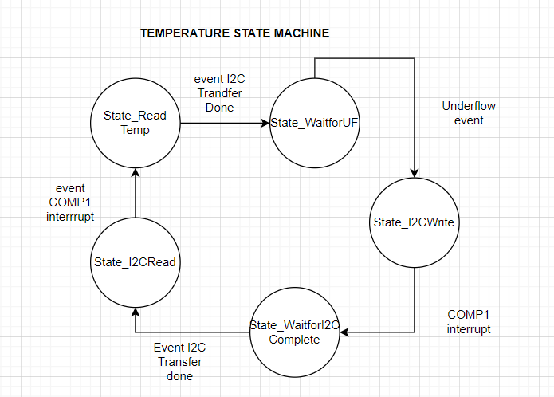
 | sl_bt_evt_connection_opened_id | Connected | x
 |  | Server Address &/ Client address |  | sl_bt_gatt_discover_primary_services_by_uuid(handle, len_uuid, uuid ) | Discover primary services with the specified UUID in a remote GATT database. This command generates unique gatt_service event for every discovered primary service Param: connection Connection handle uuid_len Length of data in @p uuid uuid Service UUID in little endian format

 | sl_bt_evt_connection_closed_id | Discovering / Advertising | x | sl_bt_scanner_start(sl_bt_gap_1m_phy, sl_bt_scanner_discover_generic) | Start scanning for the servers

 | sl_bt_evt_system_soft_timer_id |  |  | This event indicates that a soft timer has expired. | Required to know if the timer has expired. It is requiredfro LCD display. Toggle the bit so LCD can work.

Events only for Masters/Clients
 | sl_bt_evt_scanner_scan_report_id |  |  | Received for advertising or scan response packets generated by: sl_bt_scanner_start(). Is the bd_addr, packet_type and address_type what we expect for our Server? If yes: sl_bt_scanner_stop() sl_bt_connection_open() | sl_bt_scanner_start() does the passive scanning with the scan interval of 50 ms and scan window of 25ms. If the slave bd_addr, packet type, address_type matches with the hardcoded value present in the client side or what client is looking for then the client will stop the scanning and it will open the connection with the given server address. Conenct to the server.

 | sl_bt_evt_gatt_procedure_completed_id |  | x | We get this event when it’s ok to call the next GATT command. It’s a good idea to check for returned error codes. This would be a great event to use to sequence your new state machine. | It is like an acknowledgement that the previous gatt command was successful. Do not build your state machine into your handle_ble_event() function! Instead build a new state machine for A7.
 |  |  |  | sl_bt_gatt_discover_characteristics(connection, service); | Discover all characteristics of a GATT service from a remote GATT database. This command generates a unique gatt_characteristic event for every discovered characteristic.
 |  |  |  | sl_bt_gatt_set_characteristic_notification(handle, charateristic, sl_bt_gatt_indication) | Enable or disable the notifications and indications sent from a remote GATT server. This procedure discovers a characteristic client configuration descriptor and writes the related configuration flags to a remote GATT database.
 | sl_bt_evt_gatt_service_id |  |  | A GATT service in the remote GATT database was discovered | This event is returned by the client when the HTM service has been discovered using the UUID. Store the service handle here.

 | sl_bt_evt_gatt_characteristic_id |  |  | A GATT characteristic in the remote GATT database was discovered | This event is returned by the client when the HTM characteristics have been discovered using the UUID. Store the characteristic handle here

 | sl_bt_evt_gatt_characteristic_value_id | tempersture |  | If an indication or notification has been enabled for a characteristic, this event is triggered whenever an indication or notification is received from the remote GATT server. Is the characteristic handle and att_opcode we expect? If yes: sl_bt_gatt_send_characteristic_confirmation() | Send a confirmation to a remote GATT server after receiving a characteristic indication, which reveals that an indication has been received and must be confirmed with this command.

Events only for server
 | sl_bt_evt_system_boot_id | Server (DISPLAY_ROW_NAME) |  | sl_bt_system_get_identity_address() | obtain the identity address
 |  |  |  | sl_bt_advertiser_create_set() | create the advertising
 |  |  |  | sl_bt_advertiser_set_timing() | set the advertising timing parameters
 |  | Advertising (DISPLAY_ROW_CONNECTION) |  | sl_bt_advertiser_start() | start the advertising
 |  |  |  | sl_bt_sm_delete_bondng()

 |  |  |  | sl_bt_sm_configure(flags, io_capabilities) | Set the required flag value and IO capability values
 |  |  |  |  | Save the connection handle
 | sl_bt_evt_connection_opened_id |  |  | sl_bt_advertiser_stop() | Stop the advertising as the connection required is found
 |  |  |  | sl_bt_system_set_soft_timer() | Configure the periodic timer

 |  |  |  | sl_bt_connection_set_parameters()

 | sl_bt_evt_system_external_signal_id |  |  | sl_bt_gatt_write_attribute_value() | Obtain the state - button pressed/released and write it to the attribute handle
 |  | Button Pressed/Released |  | sl_bt_gatt_server_send_indication() | Send indication to for the Button
 |  |  |  | sl_bt_sm_confirm_passkey() | Save the passkey

 | sl_bt_evt_sm_confirm_passkey_id | Passkey xxxx (DISPLAY_ROW_PASSKEY)
 |  | Confirm with PB0 (DISPLAY_ROW_ACTION)

 | sl_bt_evt_sm_confirm_bonding_id |  |  |  | Saving the bonding handle
 | sl_bt_evt_bonded_id | Bonded (DISPLAY_ROW_CONNECTION)

 | sl_bt_evt_sm_bonding_failed_id | Bonding failed (DISPLAY_ROW_CONNECTION) |  | sl_bt_sm_delete_bonding() | delete bonding so for reconnection has to request paring
 | sl_bt_evt_connection_closed_id |  |  | sl_bt_advertising_start()

